Music Theory
T
T
S
T
T
T
S

Chord
C maj | I | C | CM | Tonic | C-E-G | 1st
F maj | IV | F | FM | Subdominant | F-A-C | 4th
G maj | V | G | GM | Dominant | G-B-D | 5th

Scale Mode | Tonic | Tonal Pattern
Ionian | C | T-T-S-T-T-T-S |  | Major scale tonal pattern
Dorian | D | T-S-T-T-T-S-T
Phrygian | E | S-T-T-T-S-T-T
Lydian | F | T-T-T-S-T-T-S
Mixolydian | G | T-T-S-T-T-S-T
Aeolian | A | T-S-T-T-S-T-T |  | Minor scale tonal pattern
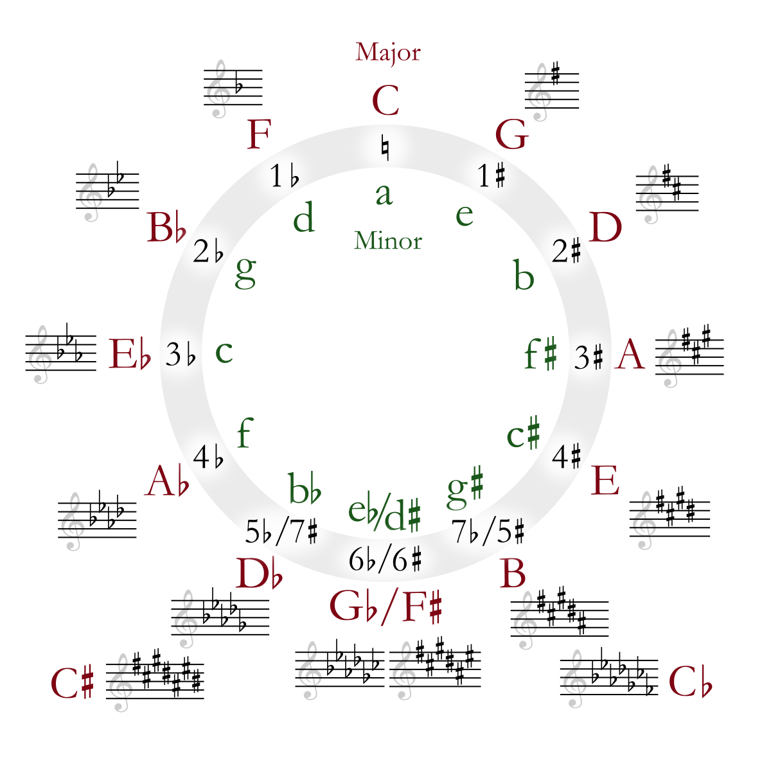
Locrian | B | S-T-T-S-T-T-T

I Don't Punch Like Muhammad A-Li

Major Scale Tonic |  | Notes in Octave |  | Alternate Notes |  | Relative Minor
C |  | C-D-E-F-G-A-B-C |  |  |  | a
G |  | G-A-B-C-D-E-F#-G |  |  |  | e
D |  | D-E-F#-G-A-B-C#-D |  |  |  | b
A |  | A-B-C#-D-E-F#-G#-A |  |  |  | f#
E |  | E-F#-G#-A-B-C#-D#-E |  |  |  | c#
B or Cb |  | B-C#-D#-E-F#-G#-A#-B |  | Cb-Db-Eb-Fb-Gb-Ab-Bb-Cb |  | g#
F# or Gb |  | F#-G#-A#-B-C#-D#-E#-F# |  | Gb-Ab-Bb-Cb-Db-Eb-F-Gb |  | eb or d#
Db or C# |  | Db-Eb-F-Gb-Ab-Bb-C-Db |  | C#-D#-E#-F#-G#-A#-B#-C# |  | bb
Ab |  | Ab-Bb-C-Db-Eb-F-Gb-Ab |  |  |  | f
Eb |  | Eb-F-G-Ab-Bb-C-D-Eb |  |  |  | c
Bb |  | Bb-C-D-Eb-F-G-A-Bb |  |  |  | g
F |  | F-G-A-Bb-C-D-E-F |  |  |  | d

Natural minor |  |  | Major intervals (2nd, 3rd, 6th, 7th)
Harmonic minor |  |  | Perfect intervals (0th [Unison], 4th, 5th, 8th [Octave])
Melodic minor |  |  | Minor intervals (when a major interval is lowered by a semintone)
 |  |  | Augmented intervals (Perfect interval raised by a semitone)
 |  |  | Diminished intervals (Perfect interval lowered by a semitone)

 |  |  | Degree of the interval
 |  |  | Quality of the interval

